Table 1
IDTA 02022-1-0 Wireless Communication May 2024
S P E C I F I C A T I O N
Submodel Template of the Asset Administration Shell

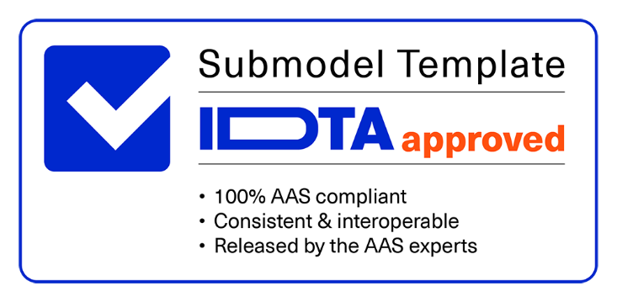

Imprint
Publisher Industrial Digital Twin Association Lyoner Strasse 18 60528 Frankfurt am Main Germany https://www.industrialdigitaltwin.org/ Version history
Date | Version | Comment
2024-01-05 | 1.0 | Release of the official Submodel template published by IDTA.
Contents
1 General 7 1.1 About this document 7 1.2 Scope of the Submodel 7 1.2.1 Motivation 7 1.3 Relevant standards for the Submodel template 7 1.4 Use cases, requirements and design decisions 8 1.4.1 Assets 8 1.4.2 Use cases 8 1.4.3 Details of use case “Managing the automation system based on WCS status” 9 2 Submodel Wireless Communication 12 2.1 Submodel elements of SMC “WirelessCommunicationFunction” 14 2.1.1 Submodel elements of SMC “MediumAccess” 15 2.1.2 Submodel elements of SMC “SlotConfiguration” 16 2.2 Submodel elements of SMC “RadioFrequency” 16 2.2.1 Submodel elements of SMC “FrequencyBand” 18 2.2.

Bibliography 38
Figures
Figure 1: Asset and AAS of an AGV 10 Figure 2: Example of use case for the Submodel with AGV and 5G system 11 Figure 3: UML-diagram of Submodel WirelessCommunication 12 Figure 4: UML-Diagram of the Submodel collection “WirelessCommunicationFunction” 14 Figure 5: UML-diagram of Radio Frequency Submodel collection 17 Figure 6: UML-Diagram of the Submodel collection “License”. 25 Figure 7: Example of use of the Submodel ReceptionQuality for 5G. 35 Figure 8: Example of use of the Submodel ReceptionQuality for Bluetooth and IO-Link Wireless 36 Figure 9: Example of use of the Submodel ReceptionQuality for WirelessHART 36
Tables
Table 1: Submodel elements for the Submodel WirelessCommunication 13 Table 2: Submodel elements of SMC “WirelessCommunicationFunction” 14 Table 3: Submodel elements of SMC “MediumAccess” 15 Table 4: Submodel elements of SMC “SlotConfiguration”. 16 Table 5: Submodel elements of SMC “RadioFrequency” 17 Table 6: Submodel elements of SMC “FrequencyBand” 18 Table 7: Submodel elements of SMC “RadioFrequencyChannel” 19 Table 8: Submodel elements of SMC “ReceptionQualityIndicator” 20 Table 9: Submodel elements of SMC “OutputPower” 21 Table 10: Submodel elements of SMC “Hardware”. 23 Table 11: Submodel elements of SMC “Authentication” 24 Table 12: Submodel elements of SMC “License”. 26 Table 13: Submodel elements of SMC “Applicant”. 27 Table 14: Submodel elements of SMC “Frequency” 28 Tabl
1 General
1.1 About this document This document is a part of a specification series. Each part specifies the contents of a Submodel template for the Asset Administration Shell (AAS). The AAS is described in [1], [2], [3] and [6]. First exemplary Submodel contents were described in [4], while the actual format of this document was derived from the "Administration Shell in Practice" [5]. The format aims to be very concise, giving only minimal necessary information for applying a Submodel template, while leaving deeper descriptions and specification of concepts, structures and mapping to the respective documents [1-6]. The target groups of the specification are developers and editors of technical documentation and manufacturer information, which are describing assets in smart manufacturing by means of the AAS and therefore need to create a Submodel instance with a hierarchy of Submodel elements. This document especially details on the question, which Submodel elements with which semantic identification shall be used for this purpose.
1.2 Scope of the Submodel This document is intended to address aspects of wireless communication. The structure of this Submodel is expressed through diagrams and UML tables, clarifying its constituent elements. In addition, potential assets and usage scenarios that can benefit from the adoption of this Submodel are identified. The main objective of this Submodel is to integrate wireless industrial communication in the context of the Industry 4.0 (I4.0) framework. The approach is based on the design of a Submodel that encompasses the parameters associated with an asset with wireless communication characteristics. Such a Submodel model is configured to create a fundamental set of Submodel elements that digitally represent relevant information about the different parts that make up a wireless communication system. This Submodel incorporates parameters relevant to various wireless communication technologies and assets. The underlying idea is that the Submodel has a generic character, allowing its application to different technologies and different types of assets. Therefore, some Submodel parameters may be more or less relevant depending on the technology and asset that will be modelled. In order to make the Submodel more specific, the user has the possibility to expand it by adding additional parameters at the time of AAS implementation. Other Submodels targeting specific communication technologies can be standardized later based on this Submodel. The Submodel focuses on layers 1 and 2 of the ISO-OSI model. The description of aspects from layer 3 upwards are not considered in this document and should be described for other submodels, as they do not depend on the type of technology, be it wireless or wired.
1.2.1 Motivation I4.0 and smart manufacturing means adapting the production to the needs of customers, without planning every detail of the production system in advance, as for mass production, where you know how many parts you would like to produce. Also, the wireless communication system (WCS) can not be planned and installed for the worst case. If changes are necessary, the WCS and/or its use of the medium should be adapted accordingly. This can only be done when data exchange is possible between the production system and the WCS. In this context, it is necessary to model relevant WCS elements as I4.0 components, which means to develop AAS for them [7].
1.3 Relevant standards for the Submodel template • ECLASS [8] • VDI/VDE 2185 Part 1 - Radio-based communication in industrial automation - Requirements and principles [9] • VDI/VDE 2185 Part 2 - Radio-supported communication in automation technology - coexistence management of radio systems [10]
• VDI/VDE 2185 Part 4 - Radio-supported communication in automation technology - measurement performance evaluation of radio solutions for industrial automation applications [11] • IEC 62657-2 ED4: Industrial networks - Coexistence of wireless systems - Part 2: Coexistence management [12]
1.4 Use cases, requirements and design decisions
1.4.1 Assets This Submodel aims to describe aspects of wireless communication of different types of assets. The use cases covered by this Submodel are related to obtaining licences for technologies that require this type of authorization, such as 5G, and also to managing the production system, based on the quality of the radio signal. The assets for which this Submodel is intended to describe are divided into two types: material (tangible) assets and immaterial (intangible) assets. Material assets are components that exist in the physical world, such as 5G routers or base stations. Intangible assets are components that do not exist in the physical world but are relevant to the production process. Intangible assets include not only documents, software or algorithms, but also communication system management systems. Some examples can be found below.
Material Assets: • Wireless Industrial Router: This wireless device forward traffic from the LAN to the wireless network and vice versa. One or more automation devices can be connected to the LAN. • Base station: The base station connects the 5G devices to the core network. It has no function in the application of the production system, however, it is essential to the network operation. • Wireless Automation Device: A device containing at least one wireless module and one application module (see [9]). • Wireless Communication System: A set of associated elements that make wireless communication possible. • 5G Core Network: The core network implements several Network functions that establish reliable and secure connectivity to the network end users [13] [14].
Immaterial Assets: • Heatmap: A signal strength heatmap can be formed from the received signal information from different devices in different positions. This is an example of an immaterial asset. • Wireless System Manager: The Wireless System Manager (WSM) is a centralized system that plays a crucial role in optimally managing wireless communication operations. The concept of WSM used here in this work was proposed in [15] that was based on [10].
1.4.2 Use cases This section shows a list of use cases where a wireless communication Submodel is required. This Submodel will be one part of an AAS that virtually represents an asset. An example of the list is shown how an AAS of a communication device can help to solve problems in the physical domain. This AAS includes the Submodel proposed in this document. List of relevant use cases: • Obtaining a license from the regulator: Automation and digitization of regulatory and retirement processes. Digital creation and updating of attendance allocations and local certifications. • Integration of a new wireless device: A new wireless device is to be integrated into a communication infrastructure, do some compatibility checks on frequency bands etc. • Manufacturer provides a digital version of a wireless sensor to the customer: The manufacturer of wireless sensors sells the sensor to the customer and together with the sensor, he sends a digital file (passive AAS) with all the sensor information.
• Replacement of wireless devices: A defective or outdated equipment/component needs to be replaced. For that a detailed description of its characteristics is necessary. • Coexistence management: Different wireless communication technologies will be implemented at the factory (e.g., Bluetooth, Wi-Fi, IEEE 802.15.4, DECT). It is necessary to organize these communication systems to avoid interference from wireless solutions. The process to ensure coexistence between wireless solutions is called coexistence management process. • Co-Working planning: It is the planning phase for the case of several companies want to use the same wireless communication network in a common industrial park [16]. • Diagnosis and failure analysis in production systems: Through data originating from the production system including automation and communication data, diagnosis and fault detection mechanisms can be implemented. For this, it is necessary to have a Submodel that organizes the parameters of the assets in a structured and standardized way. • Monitoring of a production system: An autonomous system monitors production through data from the automation and communication system. The parameters to be monitored are contained in the AAS Submodels that represent the assets. • Managing the wireless communication system (WCS) based on production requirements: An active Digital Twin (DT) of the production system is created and manages the physical counterpart. This DT contains a model description of assets, including wireless communication aspects. The WCS is adapted based on production system, e.g., if a product has priority, then more communication resources are allocated to the machines that produce it [17]. • Managing the automation system based on local application functions: An active digital twin of the production system is created and manages the physical counterpart. This DT contai

1.4.3 Details of use case “Managing the automation system based on WCS status” In our example, an AGV (or several) is (are) part of the production system. This equipment transports materials between different workstations. The AGV has several sensors, such as distance sensors, RFID readers, and cameras, among others and actuators, such as servo motors and robotic arms. The AGV is controlled by a central station that sends instructions to it such as to collect materials from specific stations and deliver them to designated locations within the factory. The communication between this AGV and the central station is carried out by a wireless communication technology (5G, Wi-Fi, etc).
A virtual representation (AAS) of this AGV is developed to monitor and control the AGV. This AAS is composed of Submodels that represent different aspects of this AGV. An example is the Nameplate Submodel, which gives AGV descriptions such as serial number and manufacturer name. The purpose of this AAS is to ensure that all information about the respective asset (AGV) is concentrated in a virtual entity. With this, it is possible to have status assessment, status control, analysis of status history, negotiation of thresholds and functions. If the AGV needs maintenance or even if it needs to be replaced, all the necessary data for these procedures is in the AAS, such as the type of sensor used, the size of the screws, among other information. In addition to this static information, dynamic information can also be stored in the AAS. Information, such as time of use, history of failures, among others, can help in the preventive maintenance of the equipment.
Another advantage of the AAS is the assistance of the asset in making decisions as its external environment changes. The AGV will most likely travel through parts of the factory with different conditions that will certainly
influence wireless communication. For example, when the AGV passes behind a wall, most likely the connection may suffer degradation and may cause failures in the process operation. This can be predictable if the AGV always passes through the same place, or it can be unexpected in the case of unforeseen changes in the layout, such as a truck that stops to unload products and is in a position that blocks the line of sight between the AGV and the base station.

Table 2
In this case, it is necessary to adapt the AGV path (if possible) based on conditions external to the AGV. One way of doing this is to monitor the radio conditions in which the AGV operates and see if any optimizations can be made. A solution may be to divert the AGV to a path where the interference or lack of line of sight is not so significant. In this way, the AGV communication parameters must be included in the digital model. A Submodel must contain the static and dynamic parameters of the AGV communication system. Parameters referring to the quality of signal reception can contribute to the diagnosis of possible failures or even anticipate possible problems and take actions to mitigate them.
Figure 1 shows an AGV (asset) in the physical world and an AAS of this AGV in the virtual world. The passive part of the AAS is made up of Submodels that describe the asset. The Submodel “Comm.” highlighted in blue is an instance of the Submodel proposed in this document (WirelessCommunication).
Active part: Algorithms and Methods ▪ Status assessment ▪ Status control ▪ Analysis of status history ▪ Negotiation of thresholds and functions
Passive Part of AAS (Submodels, Properties, AASX model)
 | Nameplate: • Property 1 • Property 2 • Property n | Technical Data: • Property 1 • Property 2 • Property n |  | Location: • Property 1 • Property 2 • Property n | App. • Property 1 • Property 2 • Property n | Comm.: • Property 1 • Property 2 • Property n
Camera |  | Sensor 1
 |  |  | Communication

Actuator |  | Sensor 2
Figure 1: Asset and AAS of an AGV.
Once this AAS contains all relevant information from the AGV, tasks, such as monitoring and fault diagnosis can be performed. In addition, the AGV AAS can communicate with other virtual instances (AAS of other assets) for parameter negotiation, production system management, communication system adaptation, among others. If machine learning algorithms are implemented in the active part of the AAS, the performance of the AGV and the speed of decision making in case of external problems can be improved.
AAS_AGV
Digital domain
Physical domain
Asset_AGV
Figure 2 shows a scenario where assets in the physical domain are interconnected with AAS in the digital domain, represented by the purple section. Among these assets, some are material assets, such as AGV (Automated Guided Vehicles) and gNB (5G Base Station), while one material asset called Wireless System Manager (WSM). The primary function of WSM is to oversee the communication system, including a wireless communication submodule that contains essential data related to signal strengths received from various assets like machines and AGVs, as well as the transmission power from different 5G gNBs. It serves as a central hub for efficient wireless communication management, with its foundational concept originating from [10] and [15]. WSM's primary function is resource allocation for local application tasks within a network. The process begins when the AGV AAS detects a decline in signal quality. At this point, it initiates communication with the AAS WSM to explore possible solutions (e.g., obstacle removal, AGV path alteration, or transmission power enhancement) - marked as Step 1 on the left side of the figure. Subsequently, the WSM assesses the feasibility of increasing the transmission power and conveys the results to the gNB AAS - represented as step 2 on the right side of the diagram.

Table 3
Step 1
 | I am AGV1 and I notice a signal degradation in position xyz, can you do something? For now I will reduce my speed.
AAS_AGV AAS_WSM AAS_gNb Request 1
 |  |  | AAS_AGV sends
 |  |  | instructions to AGV to
 |  |  | decrease the speed.
Obstacles: walls, truck, pallet with material, fork-lift Wireless link
 |  |  |  | AAS_WSM resquests AAS_gNb to increase Tx power
 |  | I increased the TX power, now it should work.
AAS_AGV AAS_WSM Request 2 AAS_gNb Response 1
 |  |  |  | AAS_gNb sends instructions to gNb
 |  |  |  | to increase Tx power
Obstacles: walls, truck, pallet with material, fork-lift Wireless link
Figure 2: Example of use case for the Submodel with AGV and 5G system.
When wireless communication cannot provide the required QoS due to an obstacle or similar, several actions can be taken: • The most basic one is, factory or warehouse operator can do something about it (remove obstacle, improve coverage in midterm with changes in the place and additional antennas etc). • AGV can slow down (if its safety is depending upon wireless communication, such as communication with infrastructure sensors or with other AGVs) • This information can be used by other AGVs destined to use this path, and if possible, they can use an alternative path • This information can be used for predictive QoS – question here is, how to learn that the obstacle is removed. • Another action could be to switch to a different (wireless) communication system, e.g., 5G ⭢ Wi-Fi, as fallback.

Step 2

2 Submodel Wireless Communication
According to this model specification, a Submodel comprises attributes designed to characterize the wireless communication aspects of assets. Not every property or element of the Submodel is obligatory for asset description. For instance, the SMC licence might be essential for assets like a 5G network, but may not be needed for assets like 5G user equipment.
Figure 3 shows the UML-diagram defining the relevant properties which need to be set.
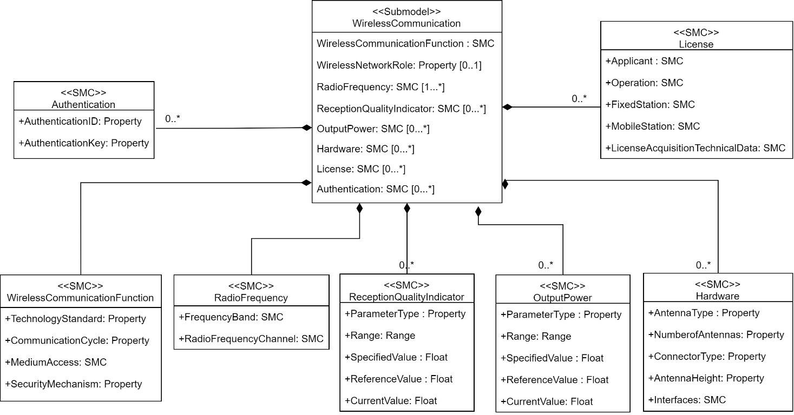
Figure 3: UML-diagram of Submodel WirelessCommunication.

Table 5
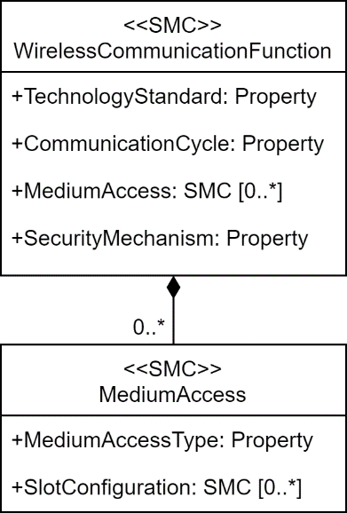
2.1 Submodel elements of SMC “WirelessCommunicationFunction”
Figure 4: UML-Diagram of the Submodel collection “WirelessCommunicationFunction”.
Table 2: Submodel elements of SMC “WirelessCommunicationFunction”.

idShort: | WirelessCommunicationFunction
Class: | SubmodelElementCollection
semanticId: | [IRI] https://admin-shell.io/idta/WirelessCommunication/WirelessCommunicationFunction/1/0
Parent: | WirelessCommunication
Explanation: | Hardware and software implementation of algorithms for wireless communication (VDI/VDE 2185 Part-4, 2019). Describes the parameters of the wireless communication function.
[SME type] | semanticId = [idType]value | [valueType] | card.
idShort | Description@en | example
[Property] TechnologyStandard | [IRI] https://admin- shell.io/idta/WirelessCommunication/WirelessCommunicationFuncti on/TechnologyStandard/1/0 It includes the name of the technology and the release/version. | [string] 5G NR Rel.15 802.11ac | [0…1]
[Property] CommunicationCycle | [IRI] https://admin- shell.io/idta/WirelessCommunication/WirelessCommunicationFuncti on/CommunicationCycle/1/0 It describes the cycle with which the communication stack executes requests from the application and the wireless medium in ms. | [integer] | [0…*]
[SMC] MediumAccess | [IRI] https://admin- shell.io/idta/WirelessCommunication/WirelessCommunicationFuncti on/MediumAccess/1/0 | n/a | [0…*]
 | The media access control ensures, for example, that a communication request is served as long as the medium is free (CSMA) or it allocates the request to well-defined time slots (TDMA).
[Property] SecurityMechanism | [IRI] https://admin-shell.io/idta/WirelessCommunication/ WirelessCommunicationFunction/SecurityMechanism/1/0 It specifies how the security objectives of the application are met by the implemented security mechanisms. | [string] | [0…*]

Table 8
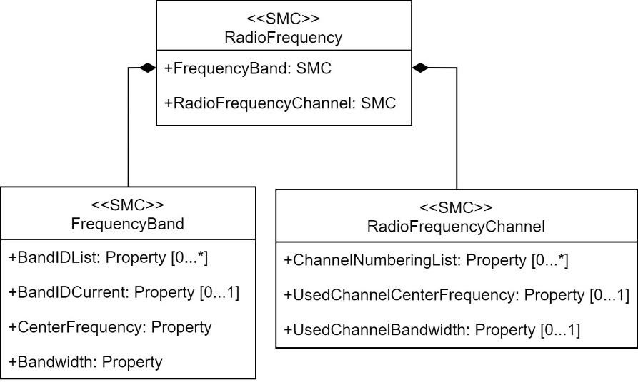
Figure 5: UML-diagram of Radio Frequency Submodel collection.
Table 5: Submodel elements of SMC “RadioFrequency”.

idShort: | RadioFrequency
Class: | SubmodelElementCollection
semanticId: | https://admin-shell.io/idta/WirelessCommunication/RadioFrequency/1/0
Parent: | WirelessCommunication
Explanation: | Part of the frequency band that is characterized by a lower cut-off frequency and an upper cut-off frequency, or by centre frequency and bandwidth.@en
[SME type] | semanticId = [idType]value | [valueType] | card.
idShort | Description@en | example
[SMC] FrequencyBand | [IRI] https://admin- shell.io/idta/WirelessCommunication/RadioFrequency/FrequencyB and/1/0 Contains information related to the frequency band used by the asset. It refers to a range of frequencies within the electromagnetic spectrum, which includes all frequencies of electromagnetic radiation. Different technologies and applications often use specific frequency bands for communication. | n/a | [1]
[SMC] RadioFrequencyChannel | [IRI] https://admin- shell.io/idta/WirelessCommunication/RadioFrequency/RadioFrequ encyChannel/1/0 Refers to a specific channel of frequencies used for wireless communication. Radio communication technologies divide the spectrum into channels. | n/a | [1]

Table 14
2.6 Submodel elements of SMC “Authentication” To represent the parameter used for device authentication in a generic way across various wireless industrial communication networks, the property called "Authentication Identifier" is used. This term encompasses the different parameters such as APN (5G), Master ID (Bluetooth), SSID (Wi-Fi), or any other specific identifier used by a particular wireless network for device authentication. By using this generic term, it can refer to a common concept without being tied to a specific network or technology. The "Authentication Identifier" is a generic term used in the context of wireless industrial communication networks to refer to a specific parameter or piece of information required for the authentication of devices wishing to join a network. This parameter plays a crucial role in verifying the legitimacy of devices and ensuring secure access to the network. While the exact nature of the Authentication Identifier may vary from one wireless technology to another, it serves as a unique or predefined piece of data that must be presented by a device during the authentication process. Some technologies also use "Authentication Keys" as cryptographic codes or credentials used alongside the Authentication Identifier. These keys add an extra layer of security to the authentication process. While the Authentication Identifier serves as a unique identifier, the Authentication Keys are secret codes or data that only authorized devices possess.
Table 11: Submodel elements of SMC “Authentication”.
idShort: | Authentication
Class: | SubmodelElementCollection
semanticId: | [IRI] https://admin-shell.io/idta/WirelessCommunication/Authentication/1/0
Parent: | WirelessCommunication
Explanation: | It contains information needed for device authentication. It is required to verify the legitimacy of devices and ensure secure network access.
[SME type] | semanticId = [idType]value | [valueType] | card.
idShort | Description@en | example
[property] AuthenticationIdentifier | [IRI] https://admin- shell.io/idta/WirelessCommunication/Authentication/Authenticatio nIdentifier/1/0 It is a parameter for device authentication in networks. It varies across wireless technologies, serving as a unique data piece presented during authentication, such as 5G's "Access Point Name," Bluetooth's "Master ID," and Wi-Fi's "SSID." | [String] | [0…1]
[property] AuthenticationKey | [IRI] https://admin- shell.io/idta/WirelessCommunication/Authentication/Authenticatio nKey/1/0 Cryptographic codes or credentials used alongside the Authentication Identifier. | [String] | [0…1]
2.7 Submodel elements of SMC “License” This section comprises parameters related to licensing, which are utilized by the regulatory authority when applying for a license. It's worth noting that certain parameters found within this SMC may also appear in other SMCs, resulting in duplication.
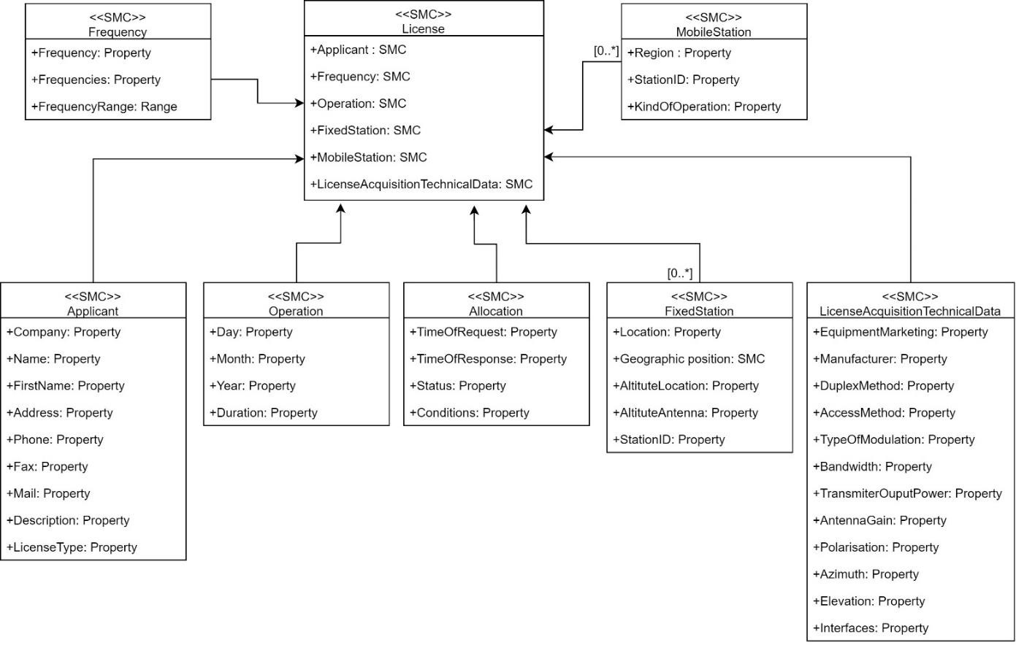
Figure 6: UML-Diagram of the Submodel collection “License”.

Table 22
2.7.7 Submodel elements of SMC “ LicenseAcquisition TechnicalData” Table 19: Submodel elements of SMC “LicenseAcquisitionTechnicalData”.
idShort: | LicenseAcquisitionTechnicalData
Class: | SubmodelElementCollection
semanticId: | [IRI] https://admin-shell.io/idta/WirelessCommunication/ LicenseAcquisitionTechnicalData/1/0
Parent: | Licence
Explanation: | This list contains the technical parameters of the network.
[SME type] | semanticId = [idType]value | [valueType] | card.
idShort | Description@en | example
[property] EquipmentMarketing | [IRI] https://admin-shell.io/idta/WirelessCommunication/ LicenseAcquisitionTechnicalData/EquipmentMarketing/1/0 Name or code of the equipment. This parameter is optional for a “Trial License”. | [string] | [1]
[property] Manufacturer | [IRI] https://admin- shell.io/idta/WirelessCommunication/LicenseAcquisitionTechnical Data/Manufacturer/1/0 Manufacturer of the equipment. This parameter is optional for a “Trial License”. | [string] | [1]
[property] DuplexMethod | [IRI] https://admin- shell.io/idta/WirelessCommunication/LicenseAcquisitionTechnical Data/DuplexMethod/1/0 Duplex mode (FDD or TDD). | [string] FDD, TDD | [1]
[property] AccessMethod | [IRI] https://admin- shell.io/idta/WirelessCommunication/LicenseAcquisitionTechnical Data/AccessMethod/1/0 Access mode, e.g., FDMA | [string] | [1]
[property] TypeOfModulation | [IRI] https://admin- shell.io/idta/WirelessCommunication/LicenseAcquisitionTechnical Data/TypeOfModulation/1/0 Type of modulation, e.g., FM | [string] | [1]
[property] Bandwidth | [IRI] https://admin- shell.io/idta/WirelessCommunication/LicenseAcquisitionTechnical Data/Bandwidth/1/0 Used bandwith in MHz. | [string] | [1]
[property] TransmitterOutputPowe r | [IRI] https://admin- shell.io/idta/WirelessCommunication/LicenseAcquisitionTechnical Data/TransmitterOutputPower/1/0 Transmitter output power in dBm, e.g., 10dBm | [string] | [1]
[property] AntennaGain | [IRI] https://admin- shell.io/idta/WirelessCommunication/LicenseAcquisitionTechnical Data/AntennaGain/1/0 Antenna gain in dBi respectively antenna pattern | [string] | [1]
[property] Polarisation | [IRI] https://admin- shell.io/idta/WirelessCommunication/LicenseAcquisitionTechnical Data/Polarisation/1/0 Polarisation of the antenna, e.g., horizontal, vertical, … | [string] | [1]
[property] Azimuth | [IRI] https://admin- shell.io/idta/WirelessCommunication/LicenseAcquisitionTechnical Data/Azimuth/1/0 Azimut of the antenna. | [string] | [1]
[property] Elevation | [IRI] https://admin- shell.io/idta/WirelessCommunication/LicenseAcquisitionTechnical Data/Elevation/1/0 Elevation of the antenna. | [string] | [1]
[property] Interfaces | [IRI] https://admin- shell.io/idta/WirelessCommunication/LicenseAcquisitionTechnical Data/Interfaces/1/0 Connection between radio system and other telecommunication systems, e.g., private or public network. This parameter is optional for a “Trial License”. | [string] | [1]
Annex A. Examples of use of SMC “Reception Quality”
Examples of how to use the Reception Quality Indicator in various technologies are provided. By following these examples, users will be able to model the reception quality of assets using different technologies. The SpecifiedValue, plays a fundamental role in the design phase of a communication system. This value is carefully defined and established to ensure that the system meets application requirements effectively and smoothly. On the other hand, the ReferenceValue is a reference measurement that is often used to compare with the current value. This comparison is essential for making critical decisions and preventing possible system failures. The CurrentValue is the actual measurement obtained by the communication module at a specific moment, reflecting the actual operating conditions. These three elements represent the life cycle aspects of the asset and work together to ensure the performance and reliability of the communication system in various application contexts. 1. 5G In the context of 5G technology, several parameters play a crucial role in evaluating connection quality. Among these parameters, the RSRP (Received Signal Reference Power) stands out, which measures the power of the received reference signal; SINR (Signal-to-Interference-plus-Noise Ratio), which quantifies the relationship between the desired signal and interference together with noise; and RSRQ (Reference Signal Received Quality), which evaluates the quality of the received reference signal, taking into account the amount of interference present. These parameters play a key role in optimizing 5G connectivity, enabling network operators and engineers to monitor and tune network performance to deliver a more efficient and reliable user experience in diverse 5G environments.
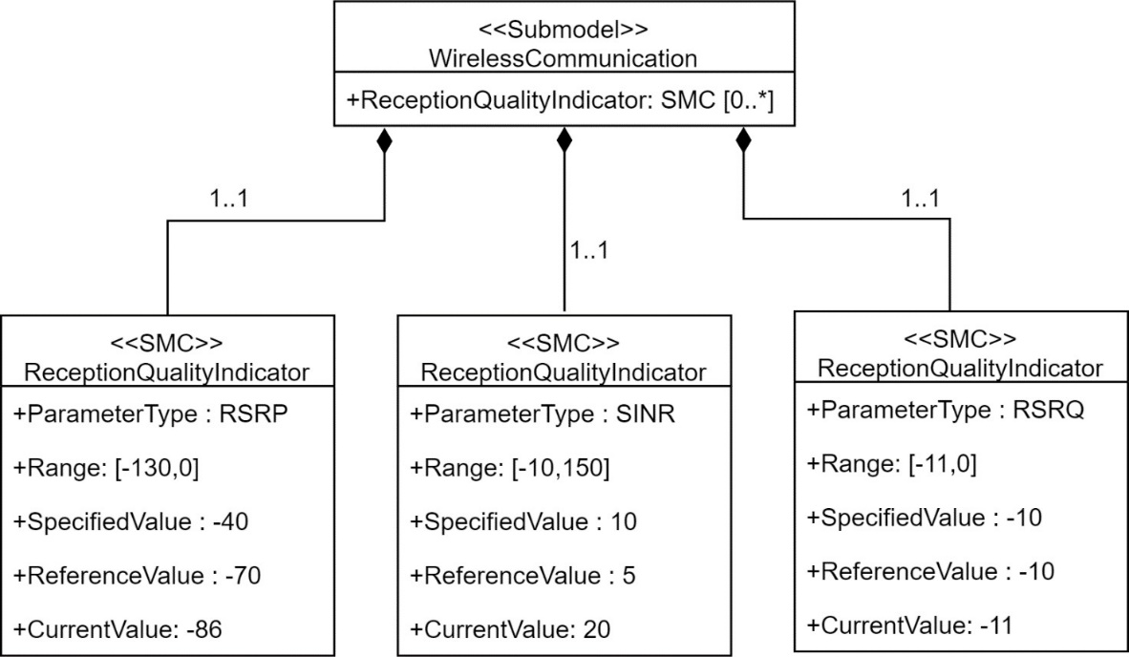
Figure 7: Example of use of the Submodel ReceptionQuality for 5G.

2. Bluetooth and IO-Link Wireless In the context of Bluetooth and IO-Link Wireless technologies, some essential parameters for evaluating connection quality include RSSI (Received Signal Strength Indicator), which measures the strength of the received signal, and Link Quality, which evaluates the overall quality of the connection. RSSI provides information about signal strength, while Link Quality considers several factors, such as the stability and reliability of the connection. These parameters are fundamental for optimizing connectivity in devices and systems that use Bluetooth and IO-Link Wireless, allowing users to monitor and adjust network performance to ensure more effective and robust communication in different application scenarios.
Figure 8: Example of use of the Submodel ReceptionQuality for Bluetooth and IO-Link Wireless.
3. WirelessHART Within the context of WirelessHART technology, one of the essential parameters for evaluating connection quality is the Received Signal Level (RSL), according to IEC 62591. This parameter measures the strength of the received signal and plays a crucial role in determining the robustness and effectiveness of communication in WirelessHART systems. By monitoring RSL, operators and engineers can adjust network configuration and take steps to ensure stable and reliable connectivity in industrial and automation environments where WirelessHART is widely used.
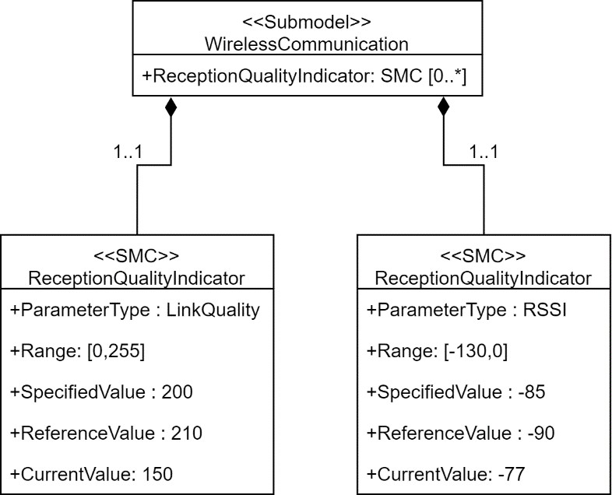
Figure 9: Example of use of the Submodel ReceptionQuality for WirelessHART.

 | 